Sheet1
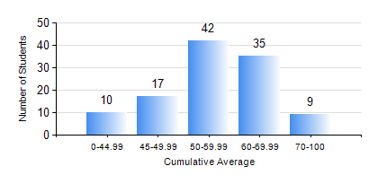
 |  |  | KWAME NKRUMAH UNIVERSITY OF SCIENCE AND TECHNOLOGY, KUMASI Department of Agricultural and Biosystems Engineering

 |  |  | BSC. AGRICULTURAL ENG.

 |  |  | COMPREHENSIVE RECORD OF EXAMINATION RESULTS

 |  |  | RESULTS OF YEAR 2 FIRST SEMESTER, 2024/2025 ACADEMIC YEAR

 | Sn | Course Code |  | Course Name | Credit Hours | Min. Mark | Max. Mark | Avg. Mark | Std. Dev. | No. Passed | No. Trailed | No. (Df) | No. (I) | No. (I*) | No. Tagged(I,I*,Df) | Total
 | 0. |  |  |  |  |  |  | 0 | 0 | 0 | 0 | 0 | 0 | 0 | 0 | 4
 | 1. | CENG 291 |  | ENGINEERING IN SOCIETY | 2 | 3 | 89 | 68 | 12.14 | 106 | 3 | 0 | 0 | 0 | 0 | 109
 | 2. | ENGL 263 |  | LITERATURE IN ENGLISH I | 1 | 32 | 83 | 68 | 9.83 | 108 | 1 | 0 | 0 | 0 | 0 | 109
 | 3. | MATH 251 |  | DIFFERENTIAL EQUATIONS | 4 | 40 | 78 | 56 | 9.85 | 109 | 0 | 0 | 0 | 0 | 0 | 109
 | 4. | ME 251 |  | FLUID MECHANICS I | 3 | 40 | 78 | 47 | 8.86 | 109 | 0 | 0 | 0 | 0 | 0 | 109
 | 5. | ME 255 |  | STRENGTH OF MATERIALS I | 3 | 14 | 89 | 49 | 18.74 | 81 | 28 | 0 | 0 | 0 | 0 | 109
 | 6. | ME 259 |  | APPLICATIONS OF COMPUTER GRAPHICS | 2 | 30 | 87 | 65 | 11.6 | 108 | 1 | 0 | 0 | 0 | 0 | 109
 | 7. | ME 265 |  | THERMODYNAMICS I | 3 | 33 | 85 | 62 | 13.02 | 106 | 3 | 0 | 0 | 0 | 0 | 109
 | 8. | ME 295 |  | MECHANICAL ENGINEERING LAB. I | 1 | 18 | 91 | 69 | 11.45 | 108 | 1 | 0 | 0 | 0 | 0 | 109

